About
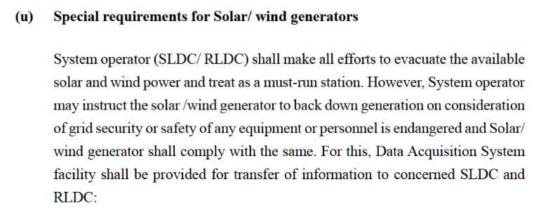
BDPbES BAU Dispatch Priority by Electricity Source

Source:
Must-run status for wind and solar
2010
Indian Electricity Grid Code (IEGC)
http://www.cercind.gov.in/2016/regulation/9.pdf
Sec 5.2 (u), pp 138 - Must-run status for wind and solar
Sec 6.5 (11). Pp 176 - must-run for all RE except Biomass and Cogen

Notes:
This variable is used to specify the priority ordering of the different electricity sources
for purposes of guaranteed dispatch.

For India, we assign priority 1 to wind, solar as per must-run status accorded in IEGC
Remaining sources follow merit-order dispatch and are uniformly given priority 2

